Application Screen
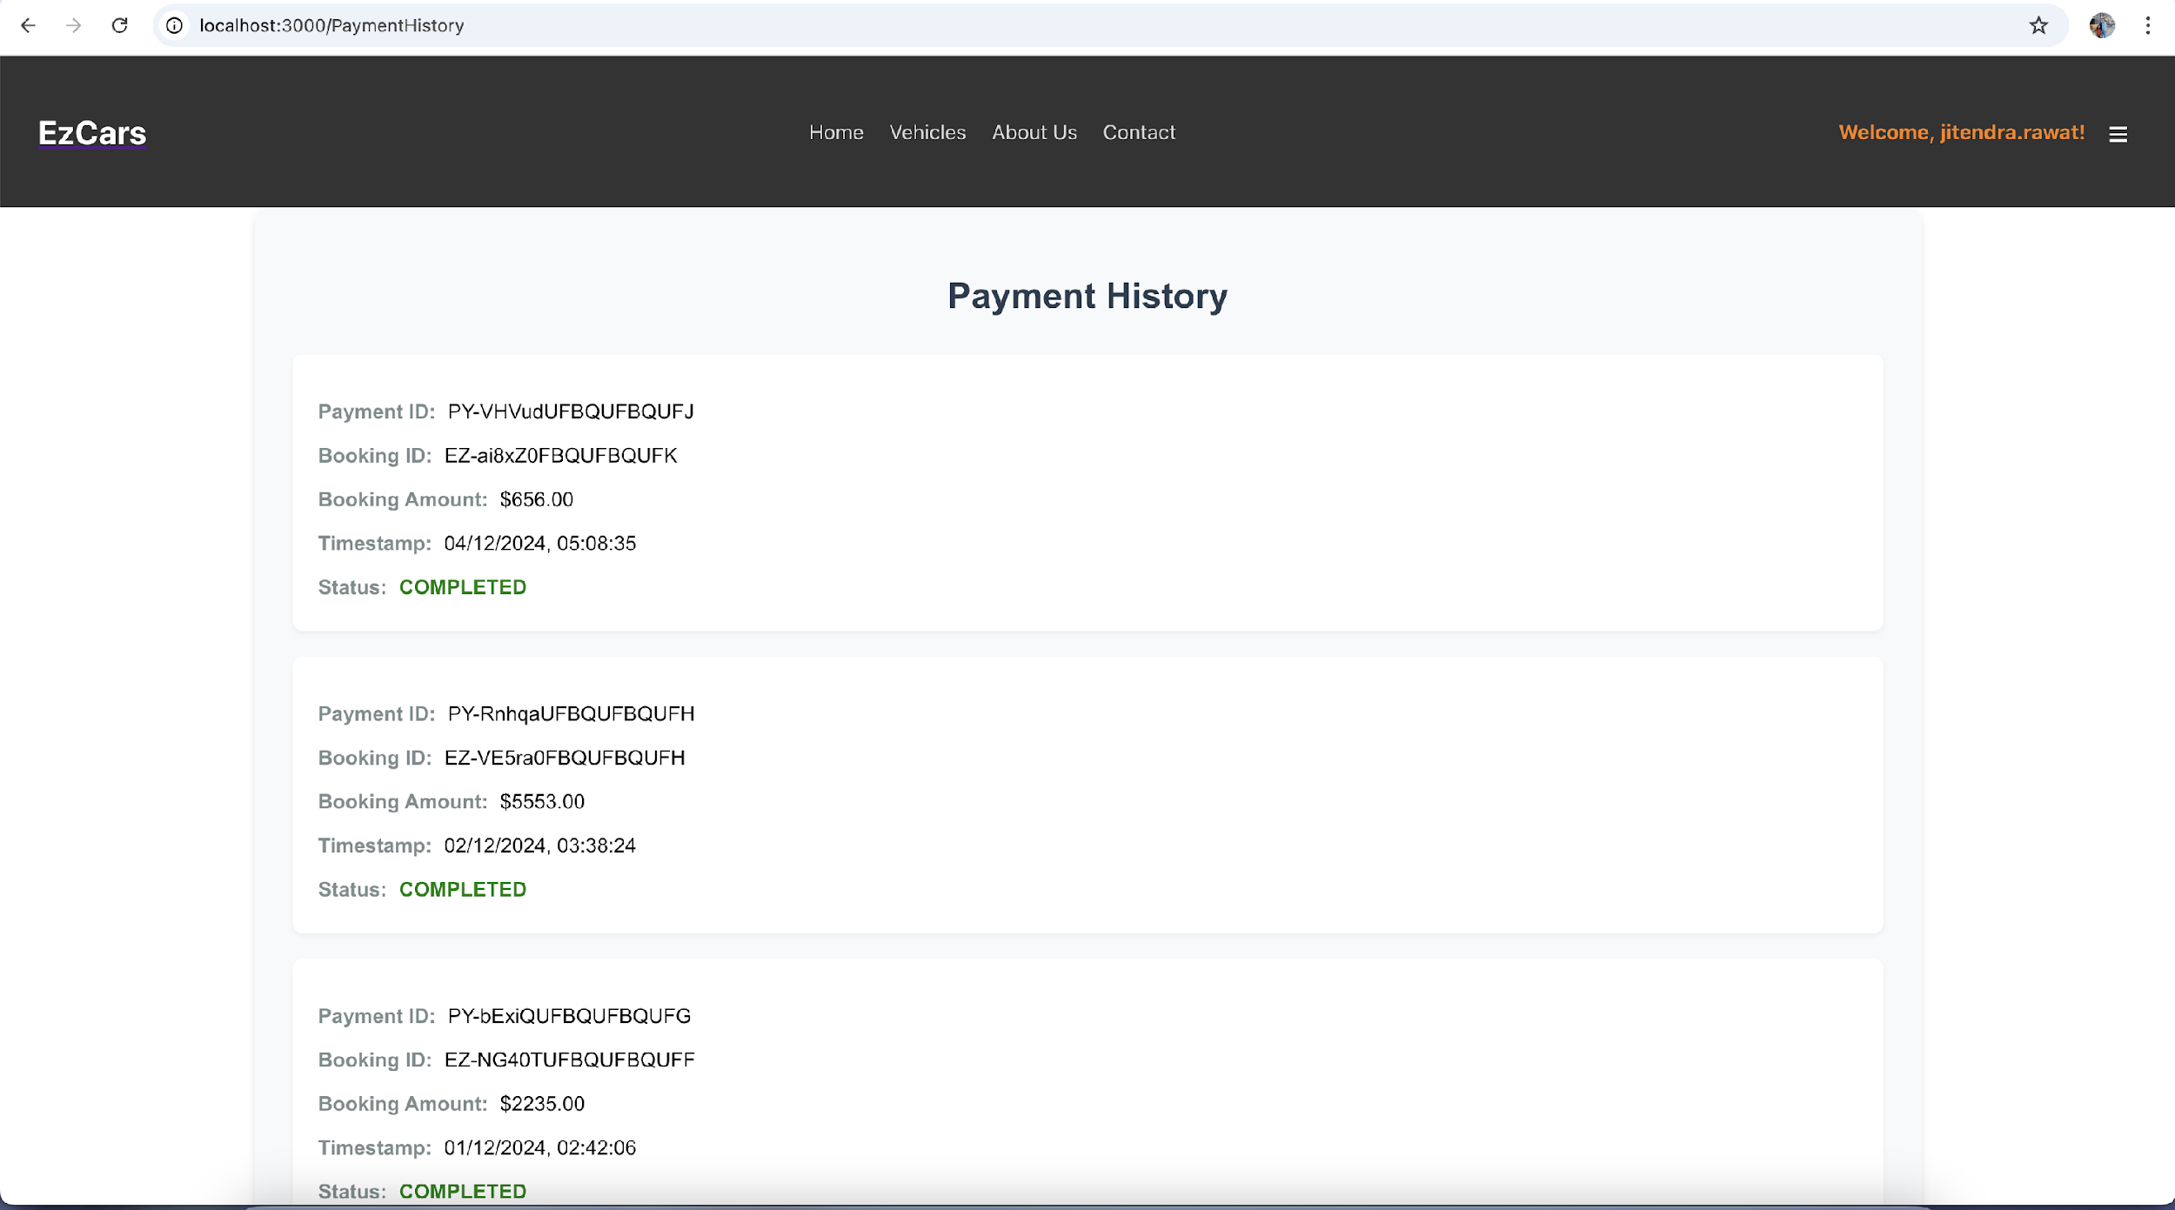

Test Case 5
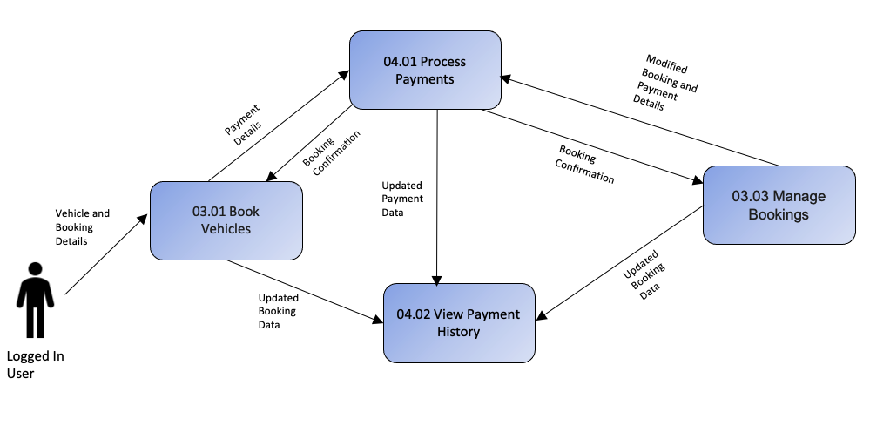
TC Title: | TC5. View Payment History - Data Flow-In Testing

TC Objective: | The objective of this test case is to confirm that when viewing the payment history, the application accurately retrieves the correct data from the backend, specifically from the Bookings and Payments modules, ensuring data consistency and integrity across these interconnected functionalities. This ensures that the payment history displayed to the user is accurate, reflecting up-to-date information without errors or discrepancies, including reflecting changes made in the Booking module or backend.

Test Data (optional):

TC Description
 | Step | Step Description | Expected Results
 | 1 | Access the Payment History section. | The Payment History section should be accessible to the user based on their privileges.
 | 2 | Initiate the request to retrieve payment history data from the backend. | The application should send a request to the backend to fetch payment history data from the Bookings and Payments modules.
 | 3 | Retrieve payment history data from the backend. | The backend should return the correct payment history data, including related booking details (e.g., Booking ID, Total Amount, Timestamp, Status, etc.).
 | 4 | Compare the data retrieved with the expected results. | The payment details returned from the backend should reflect the most recent and accurate payment data, such as payment amounts, statuses, and timestamps.
 | 5 | Link the booking-related data to the payment history. | The payment history should display the correct Booking ID and other relevant booking details, ensuring accurate linking between the Payments and Bookings modules.
 | 6 | Modify the booking details (e.g., change booking status or amount). | The booking details (e.g., booking status or amount) should be updated successfully in the backend.
 | 7 | Refresh the Payment History and observe the updated booking details. | The Payment History should reflect any changes made to the booking, such as updated amounts, statuses, or other relevant details.
 | 8 | Confirm that the payment history reflects only the logged-in user's data. | The payment history should only display records associated with the logged-in user, ensuring that user-specific data is correctly fetched from the backend.
 | 9 | Monitor any changes in the Bookings or Payments modules and their impact on the payment history. | If any updates occur in the Bookings or Payments modules, such as a status change, the payment history should reflect these updates accurately when fetched from the backend.
 | 10 | Refresh the Payment History page after making changes in the backend. | After making changes or updates in the backend, the page should refresh with the most up-to-date data, ensuring consistency between the displayed payment history and backend data.

